Target Photos
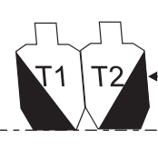
Right/left slant partials

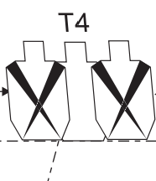
No-shoot tuxedo


Below A-zone partial (IPSC)


Stacker with no-shoot separator


Side by side with noshoot separator (bisect A-zones)


Upper A zone partial (IPSC)

